0. Introduction
Introduction

Existing Reuse Tool

Overview
The Existing Reuse Tool is designed to give a rough estimate of the emission savings that can be achieved by reusing parts of exising buildings in new projects (such as reusing the structure of an old building instead of tearing it down to build anew). The tool also visualizes postponed emissions from demolition, which are delayed when we reuse building elements. The tool is meant to support scoping, prioritisation and discussion in planning and very early design stages, but does not provide detailed results.

Development
The Tool relies primarily on minimum, maximum and average values for climate impact in different building elements and for different building types. These values are derived from 206 case studies provided by Sweco. In the future, the tool can be improved by using a larger amount of samples. Additional information about the shares of impacts in various life cycle modules, as well as information on historical brick buildings, was obtained from LCAbyg.

Spreadsheet Contents

 | 0. Introduction | - Overview of the tool and its purpose.
 | 1. Getting Started | - Instructions on how to use the tool and input data
 | 2. Results | - Displays the main CO2 impact savings across building elements
 | 3. Read More | - Additional explanation, methodology details, licensing information etc.

This tool is part of the toolbox developed for the book "Circular Construction for Urban Development". For more context on the methodology, licensing, version history and other relevant information, please refer to the "Read More" tab in this spreadsheet.

1. Getting Started
Getting Started

Input your Data
The tool takes into account two scenario use cases. Use Case 1 provides rough estimates of carbon emissions reduction in new buildings, obtained through the reuse of elements from existing buildings, as well as by avoiding the installation of newly manufactured elements. Use Case 2 estimates the postponed emissions when an element from an existing building is reused instead of demolished. While these emissions are not avoided or subtracted from LCA results, delaying them is beneficial. Note that the two use cases are not mutually exclusive: if you are reusing elements in a new building, you are also postponing their demolition!
Use Case 1: A new building is designed to reuse elements from existing buildings.
Use Case 2: The emissions associated with the demolition phase are postponed by reusing, and therefore extending the lifetime, of a whole builing or some of its parts.

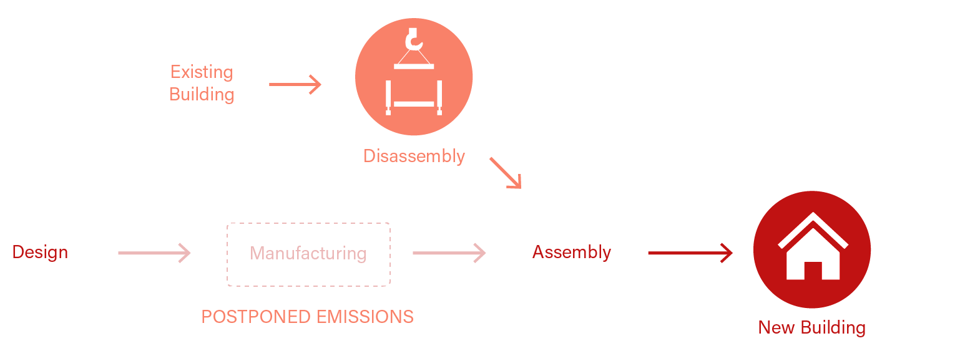

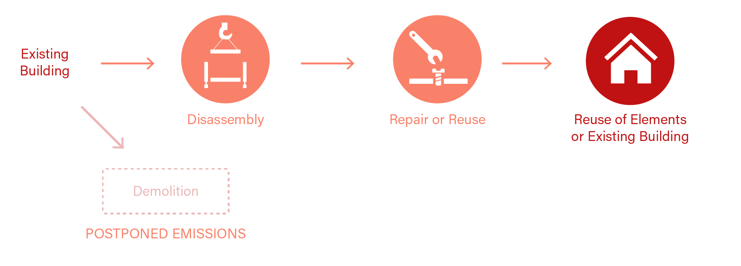

Choose use case scenario

Choose your Use Case
Use Case 1

Use Case 1: Avoided elements in new building

Project |  | Space
Reference floor area: |  | 5000 | m2 gross area

Categories | Type | Share of element avoided or coming from direct reuse
Balconies: | No balconies | 0 | % (by weight)
Columns and beams: | Typical apartment - Concrete columns and beams | 100 | % (by weight)
Floor decks: | Typical apartment with concrete structure - Deck | 30 | % (by weight)
Foundations: | Typical apartment with concrete structure - Foundations | 80 | % (by weight)
Ground floor slab: | Typical row house with concrete elements structure - Ground floor slab | 30 | % (by weight)
Inner walls: | Typical row house with timber structure - Inner wall | 30 | % (by weight)
Outer walls: | Typical row house with concrete elements structure - Outer wall | 40 | % (by weight)
Roof: | Typical apartment with timber structure - Roof | 40 | % (by weight)
Stairs: | Typical apartment building - Stairs | 60 | % (by weight)
Technical installations: | Typical apartment with concrete structure - Technical installations | 60 | % (by weight)
Windows and doors: | Typical apartment with concrete structure - Windows and doors | 40 | % (by weight)

2. Results
Results and Iterations

Results
This tab shows the potential carbon savings that can be achieved by preserving existing elements.
If you chose Use Case 1, this tab shows avoided emissions: your LCA results would likely be this much lower if you reused existing elements.
If you chose Use Case 2, this tab shows postponed emissions: the component will still be demolished eventually, and the CO2 will still be
emitted, but this will happen further in the future (and delaying emissions is good for the climate).
The results are based on existing building samples, and there is a very high variability between buildings. To illustrate this variability, the results
are shown using the sample's average value, but also the lowest and highest values in the samples. Take them with a grain of salt!
Click on button to return to update project data

Overview

 | Low
Balconies | 0.00
Columns and beams | 0.00
Floor decks | 58.15
Foundations | 0.00
Ground floor slab | 2.57
Inner walls | 17.79
Outer walls | 73.16
Roof | 9.21
Stairs | 0.00
Technical installations | 0.00
Windows and doors | 11.09
 | Avg
Balconies | 0.00
Columns and beams | 10.74
Floor decks | 116.61
Foundations | 92.04
Ground floor slab | 49.20
Inner walls | 26.36
Outer walls | 102.75
Roof | 48.63
Stairs | 11.05
Technical installations | 62.31
Windows and doors | 36.93
 | High
Balconies | 0.00
Columns and beams | 60.62
Floor decks | 241.17
Foundations | 309.96
Ground floor slab | 105.94
Inner walls | 35.34
Outer walls | 141.09
Roof | 110.81
Stairs | 48.79
Technical installations | 262.23
Windows and doors | 72.44
Low
Avg.
High
 | Average value |  | Average value
 | 2.2 |  | 556,620

 | kg CO2e/m2/yr of Estimated carbon emission savings from avoided new elements |  | kg CO2e of Estimated carbon emission savings from avoided new elements

Estimated carbon emission savings from avoided new elements

Balconies | 0.00 | 0
Columns and beams | 0.00 | 0
Floor decks | 0.23 | 0
Foundations | 0.00 | 0
Ground floor slab | 0.01 | 0
Inner walls | 0.07 | 0
Outer walls | 0.29 | 0
Roof | 0.04 | 0
Stairs | 0.00 | 0
Technical installations | 0.00 | 0
Windows and doors | 0.04 | 0
Balconies | 0.00 | 0
Columns and beams | 0.04 | 0
Floor decks | 0.47 | 0
Foundations | 0.37 | 0
Ground floor slab | 0.20 | 0
Inner walls | 0.11 | 0
Outer walls | 0.41 | 0
Roof | 0.19 | 0
Stairs | 0.04 | 0
Technical installations | 0.25 | 0
Windows and doors | 0.15 | 0
Balconies | 0.00 | 0
Columns and beams | 0.24 | 0
Floor decks | 0.96 | 0
Foundations | 1.24 | 0
Ground floor slab | 0.42 | 0
Inner walls | 0.14 | 0
Outer walls | 0.56 | 0
Roof | 0.44 | 0
Stairs | 0.20 | 0
Technical installations | 1.05 | 0
Windows and doors | 0.29 | 0
Balconies | 0.00 | 0
Columns and beams | 0.00 | 0
Floor decks | 58.15 | 0
Foundations | 0.00 | 0
Ground floor slab | 2.57 | 0
Inner walls | 17.79 | 0
Outer walls | 73.16 | 0
Roof | 9.21 | 0
Stairs | 0.00 | 0
Technical installations | 0.00 | 0
Windows and doors | 11.09 | 0
Balconies | 0.00 | 0
Columns and beams | 10.74 | 0
Floor decks | 116.61 | 0
Foundations | 92.04 | 0
Ground floor slab | 49.20 | 0
Inner walls | 26.36 | 0
Outer walls | 102.75 | 0
Roof | 48.63 | 0
Stairs | 11.05 | 0
Technical installations | 62.31 | 0
Windows and doors | 36.93 | 0
Balconies | 0.00 | 0
Columns and beams | 60.62 | 0
Floor decks | 241.17 | 0
Foundations | 309.96 | 0
Ground floor slab | 105.94 | 0
Inner walls | 35.34 | 0
Outer walls | 141.09 | 0
Roof | 110.81 | 0
Stairs | 48.79 | 0
Technical installations | 262.23 | 0
Windows and doors | 72.44 | 0
 | Category | kg CO2e/m2/yr |  |  |  | Tons CO2e
 | Balconies: | Low |  | Avg. | High | Low | Avg. | High
 | Columns & Beams | Low |  | Avg. | High | Low | Avg. | High
 | Floor Decks | Low |  | Avg. | High | Low | Avg. | High
 | Foundations | Low |  | Avg. | High | Low | Avg. | High
 | Ground Floor Slab | Low |  | Avg. | High | Low | Avg. | High
 | Inner Walls | Low |  | Avg. | High | Low | Avg. | High
 | Outer Walls | Low |  | Avg. | High | Low | Avg. | High
 | Roof | Low |  | Avg. | High | Low | Avg. | High
 | Stairs | Low |  | Avg. | High | Low | Avg. | High
 | Technical Installations | Low |  | Avg. | High | Low | Avg. | High
 | Windows & Doors | Low |  | Avg. | High | Low | Avg. | High

3. Read More

Read More

Methodology
This tool is based on a sample of LCA case studies provided by Sweco, containing 206 buildings of different use type and structural type. Minimum, maximum and average CO2-equivalent results for various building parts and various building types were derived from the sample. To understand emission savings from reuse and postponed emissions from delayed demolition, it was necessary to also break down the CO2-equivalent results between emissions happening at the start and at the end of the life cycle. That information was not available directly from the building sample, so the share of emissions at the start and end of the life cycle was derived from a smaller sample of building case studies from Aalborg University. Note that this introduces an additional source of uncertainty.
For older brick buildings, the results are instead based on a model developped at Aalborg University and implemented in the LCAbyg tool to calculate emissions from renovation. The model is described further in the following publication:
https://doi.org/10.1088/1755-1315/1078/1/012097

Licensing
This program is licensed under the GNU General Public License v3.0, © 2007 the authors. It is provided with absolutely no warranty. You are free to modify and distribute this work under certain conditions (in particular, all resulting published works must be licensed under the same license). See https://choosealicense.com/licenses/gpl-3.0/

Updates and Version History
The current version is 1.0
Password for unlocking and modifying workbook is: CCUD

Credits
This tool has been developed by Nicolas Francart, Dan Pham and the project group and reviewed by Harpa Birgisdottir, Agnes Garnow, Frederik Brauer and Giacomo Brusa Cattaneo as a part of the "Circular Construction for Urban Development" book.

